CG_195_All_Roll
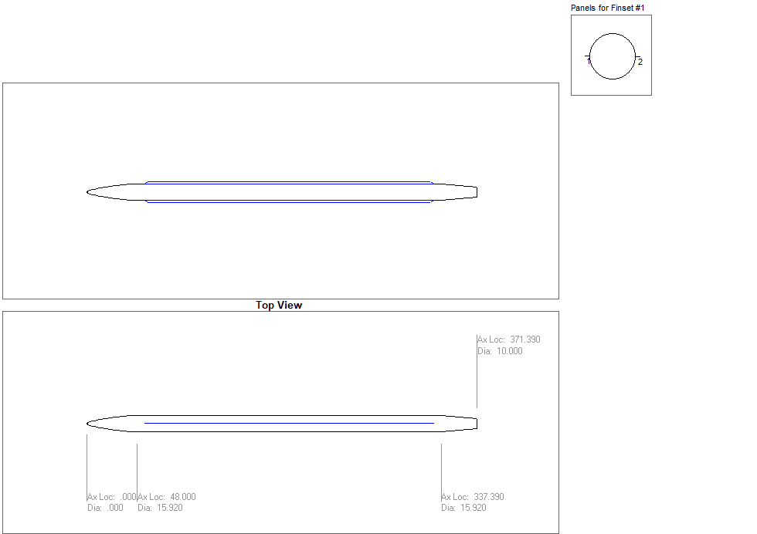
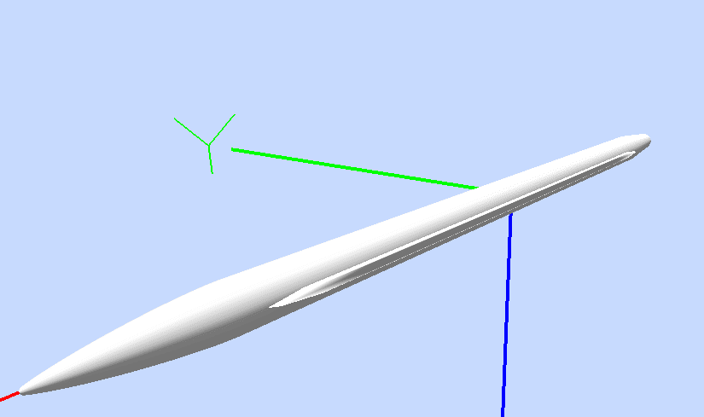
Index = |  |  | 1 | 2 | 3 | 4 | 5 | 6 | 7 | 8 | 9 | 10 | 11 | 12 | 13
Mach Array = |  |  | 0.3 | 0.5 | 0.6 | 0.7 | 0.8 | 0.9 | 0.95 | 1.05 | 1.2 | 1.5 | 2 | 3 | 5
Coefficient Array = |  |  | CN | CM | CA | CY | CLN | CLL | DELTA | CL | CD

User Input |  |  |  |  |  |  |  | Moment Reference Center = |  |  | 195 | [inch]
Center of Gravity = |  |  | 196.22045031 | 0 |  |  |  | Reference Length = |  |  | 15.92 | [inch]
Mach Index = |  |  | 1 | < - Mach indices |  |  |  | Reference Area = |  |  | 199.05633708 | [inch2]

Mach = |  | 0.3
 |  | 1 |  |  |  |  | 2 |  |  |  |  | 3 |  |  |  |  | 4 |  |  |  |  | 5 |  |  |  |  | 6 |  |  |  |  | 8 |  |  |  |  | 9
Index | Alpha\Roll | CN |  |  |  |  | CM |  |  |  |  | CA |  |  |  |  | CY |  |  |  |  | CLN |  |  |  |  | CLL |  |  |  |  | CL |  |  |  |  | CD
 |  | 0 | 22.5 | 45 | 67.5 | 90 | 0 | 22.5 | 45 | 67.5 | 90 | 0 | 22.5 | 45 | 67.5 | 90 | 0 | 22.5 | 45 | 67.5 | 90 | 0 | 22.5 | 45 | 67.5 | 90 | 0 | 22.5 | 45 | 67.5 | 90 | 0 | 22.5 | 45 | 67.5 | 90 | 0 | 22.5 | 45 | 67.5 | 90
1 | 0.0 | 0 | 0 | 0 | 0 | 0 | 0 | 0 | 0 | 0 | 0 | 0.257 | 0.257 | 0.257 | 0.257 | 0.257 | 0 | 0 | 0 | 0 | 0 | 0 | 0 | 0 | 0 | 0 | 0 | 0 | 0 | 0 | 0 | 0 | 0 | 0 | 0 | 0 | 0.257 | 0.257 | 0.257 | 0.257 | 0.257
2 | 0.5 | 0.0178 | 0.0163 | 0.0123 | 0.0065 | 0 | 0.33676457384 | 0.31084958167 | 0.23744293586 | 0.12839829944 | 0 | 0.28261686116 | 0.28063018024 | 0.2750027202 | 0.26674320005 | 0.257 | 0 | -0.0031 | -0.0057 | -0.0075 | -0.0081 | 0 | -0.1194376505 | -0.22063697028 | -0.28837496089 | -0.31212095776 | 0 | 0 | 0 | 0 | 0 | 0.0155 | 0.0141 | 0.01 | 0.0043 | -0.0022 | 0.2569 | 0.2569 | 0.2569 | 0.257 | 0.257
3 | 1.0 | 0.0427 | 0.0386 | 0.028 | 0.0143 | 0 | 0.69007344399 | 0.63455913204 | 0.48034652065 | 0.25739625876 | 0 | 0.3098020321 | 0.30544622435 | 0.29352406167 | 0.2764323709 | 0.2569 | 0 | -0.0072 | -0.0132 | -0.0173 | -0.0187 | 0 | -0.23915196245 | -0.44191193116 | -0.57742624312 | -0.62503356915 | 0 | 0 | 0 | 0 | 0 | 0.0382 | 0.0341 | 0.0235 | 0.0098 | -0.0045 | 0.2576 | 0.2574 | 0.2571 | 0.257 | 0.2569
4 | 1.5 | 0.079 | 0.0704 | 0.0487 | 0.0235 | 0 | 1.0758562547 | 0.98489696621 | 0.73563341271 | 0.38830154412 | 0 | 0.34007670247 | 0.33290363136 | 0.31319472545 | 0.28626776013 | 0.2567 | 0 | -0.0122 | -0.0225 | -0.0294 | -0.0318 | 0 | -0.35923526971 | -0.66372488267 | -0.86725384668 | -0.93873783417 | 0 | -0.0001 | -0.0001 | -0.0001 | 0 | 0.0722 | 0.0636 | 0.042 | 0.0168 | -0.0067 | 0.2596 | 0.2592 | 0.258 | 0.257 | 0.2566
5 | 2.0 | 0.127 | 0.1126 | 0.076 | 0.0345 | 0 | 1.4930360044 | 1.3634320795 | 1.0082262703 | 0.52224482009 | 0 | 0.37395830777 | 0.36302268272 | 0.33449208968 | 0.29623604613 | 0.2564 | 0 | -0.0181 | -0.0335 | -0.0437 | -0.0473 | 0 | -0.47948757228 | -0.88596815864 | -1.1575501054 | -1.2529260867 | 0 | -0.0003 | -0.0003 | -0.0001 | 0 | 0.1179 | 0.1036 | 0.067 | 0.0255 | -0.0089 | 0.2638 | 0.2623 | 0.2597 | 0.2573 | 0.2563
6 | 3.0 | 0.2541 | 0.2247 | 0.1496 | 0.0627 | 0 | 2.3959796749 | 2.1831258282 | 1.5998685532 | 0.80310667303 | 0 | 0.4566792805 | 0.43576159558 | 0.38214824607 | 0.31726732355 | 0.2554 | 0 | -0.0329 | -0.0608 | -0.0795 | -0.086 | 0 | -0.72022216177 | -1.3311610163 | -1.7395945854 | -1.8829928849 | 0 | -0.001 | -0.0011 | -0.0004 | 0 | 0.2394 | 0.2103 | 0.1358 | 0.0492 | -0.0134 | 0.2859 | 0.2798 | 0.267 | 0.2586 | 0.255
7 | 5.0 | 0.6287 | 0.5541 | 0.3647 | 0.1475 | 0 | 4.4275970548 | 4.0217781105 | 2.9153584315 | 1.4234075641 | 0 | 0.70452601846 | 0.64821534899 | 0.50849561004 | 0.36212049045 | 0.2505 | 0 | -0.0741 | -0.1369 | -0.1789 | -0.1937 | 0 | -1.2006806136 | -2.2214949528 | -2.9059147337 | -3.1456493232 | 0 | -0.0042 | -0.0047 | -0.0019 | 0 | 0.5945 | 0.5224 | 0.3384 | 0.1249 | -0.0218 | 0.4185 | 0.3869 | 0.3157 | 0.2649 | 0.2496
8 | 8.0 | 1.4702 | 1.2974 | 0.8532 | 0.3397 | 0 | 7.8599076665 | 7.1362605676 | 5.1466075507 | 2.4579418952 | 0 | 0.90705193318 | 0.89727609594 | 0.77394640698 | 0.44102939427 | 0.2332 | 0 | -0.1653 | -0.3053 | -0.399 | -0.4318 | 0 | -1.936272138 | -3.5529047413 | -4.6472879193 | -5.0336024149 | 0 | -0.0158 | -0.018 | -0.0074 | 0 | 1.4135 | 1.236 | 0.7921 | 0.3013 | -0.0325 | 0.5062 | 0.5274 | 0.4945 | 0.2974 | 0.2309

